1. Title Page
Instacart Grocery Basket

Project Name: Instacart Grocery Analysis
Date: 02/10/2022
Analyst Name: Elif Akkas

Contents:
Population Flow
Consistency checks
Wrangling steps
Column derivations
Visualizations
Recommendations

Data Source:
Citation (required in your final report): “The Instacart Online Grocery Shopping Dataset 2017”, Accessed from https://www.instacart.com/datasets/grocery-shopping-2017

Objectice:

You’re an analyst for an existing company, Instacart, an online grocery store that operates through an app. Instacart already has very good sales, but they want to uncover more
information about their sales patterns. Your task is to perform an initial data and exploratory analysis of some of their data in order to derive insights and suggest strategies for
better segmentation based on the provided criteria.

2. Population Flow
Title page

Population flow

Exclusion flag
Condition: max_order < 5
Obervations to be removed: 760,396
Final total count of order_products_all: 31,929,979

Orders_products_combined
Orders_products_merged
Orders_products_all

Total: 32,484,166
Total: 32,434,489
Total: 32,690,375

1.) The grey boxes in the first row of the population flow represent the original data sets as they were when you downloaded them. In the Total fields you need to add the count of the rows when you imported the data set into Jupyter.
2.) The second row of boxes (coloured) represents the data sets after you manipulated them, e.g., removed missing values and duplicates. In the Total fields you need to add the count of the rows after conducting these operations. This offers a visual oveview of how the data flows throughout the data consistency checks.
3.) The third row, where also the arrows are coloured, represents the merges you performed between the datasets. In the Total fields you need to add the count of the rows in the merged datasets, so that you end up with the final dataset (in the red box). Keep in mind the final dataset should be without exclusions (based on the exclusion flag).

3. Consistency checks
 |  |  |  | Title page
Consistency checks

Dataset | Missing values | Missing values treatment | Duplicates
orders | 206209 |  | 0
products | 16 | Deleted | 0
orders_products_prior | 0 |  | 0
customers | 0 |  | 0

4. Wrangling steps
 |  |  |  | Title page
Wrangling steps

Columns dropped | Columns renamed | Columns' type changed | Comment/Reason
eval_set |  |  | Not needed in analysis
first_name |  |  | Data can identify person
last_name |  |  | Data can identify person
 |  | user_id | Change to string
 | order_hour_of_day :" order_time" |  | Changed to more comprehensive name
 |  | order_id | Change to string

5. Column derivations
 |  |  |  | Title page

Column derivations and aggregations

In this tab you should add tables below that the frequences of flags/label variables that you produced after deriving them. NB: don't do this for continuous variables, only for flags.
Dataset | New column | Column/s it was derived from | Conditions
df | price_range | prices
df_ords_prods_cust_merged | region | state | Created to group customers based on the region they lived in
df_ords_prods_cust_merged | exclusion_flag | max_order | low_activity_customer : max_order < 5 ;
 |  |  | non_low_activity_customer: max_order >=5
df_high | age_group | age | Created age group from all ages
df_high | income_range | income | Created income range from incomes
df_high | parental_status | n_dependants | Parent : n_dependant >=1
 |  |  | Non_parent : n_dependant == 0
df_high | weekday | orders_day_of_the_week | Created based on day of the week number
df_high | part_of_day | order_hour_of_day | Morning: 0-11 ; Afternoon 12-17 ; Evening 18-23
df_high | department_name | department_id | Created department names from department_id's
df_high | price_range | outliers in prices | Removed items with a price of > 14,900
ords_prods_merged | busiest_days | orders_day_of_the_week | Grouped days under the orders day of the week column
ords_prods_merged | busiest_period_of_day | order_hour_of_day | Grouped hours under the order hour of day column
df_high | price_range_loc | prices | Discarded outliers

6. Visualizations
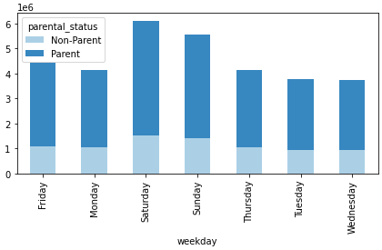
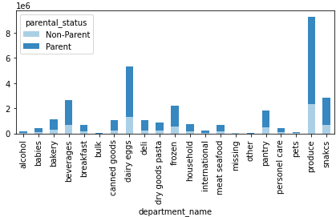
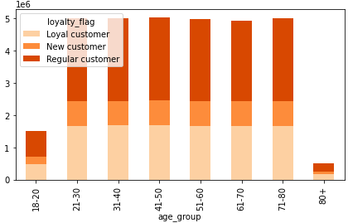
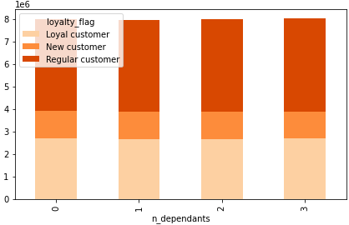
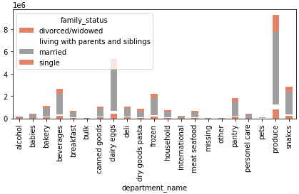
 |  |  |  |  |  | Title page

Visualisations

In this tab you should include all the visualtions from Exercises 4.9 and 4.10, alongside the questions from the project brief that they answer. Include any commentary on the relationship between different variables.

Questions:
Key Question 1 : |  | What are the busiest days of the week and hours of the day?
Key Question 2 : |  | Are there particular times of the week when people spend the most money?
Key Question 3 : |  | Marketing and sales want to use simpler price range groupings.
Key Question 4 : |  | Are there types of products that are more popular than others? Which department has the highest number of product orders?
Key Question 5 : |  | The marketing and sales teams are particularly interested in the different types of customers in their system and howtheir behaviours differ?
 | 5a | a. What's the distribution among users in regards to their brand loyalty?
 | 5b | b. Are there differences in ordering habits based on a customer’s loyalty status?
 | 5c | c. Are there differences in ordering habits based on a customer’s region?
 | 5d | d. Is there a connection between age and family status in terms of ordering habits?
 | 5e | e. What different classifications does the demographic information suggest? Age? Income? Certain types of goods? Family status?
 | 5f | f. What differences can you find in ordering habits of different customer profiles?

Answer 1 : The busiest day of the week is Saturday, and the most orders occur between 9:00 am - 5:00 pm.
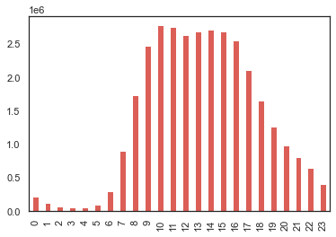
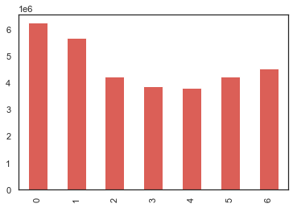

 | Cumulative orders per weekday (in millions)
 | 0 = Saturday, 1 = Sunday, 2 = Monday, 3 = Tuesday, 4 = Wednesday, 5 = Thursday, 6 = Friday |  |  |  | Cumulative orders per time period (in millions)

Answer 2 : Customers spend the most money between 4:00 am - 6:00 am (local time). Also customers spend most on Friday's (6=Friday) and Saturday's (Saturday=0)

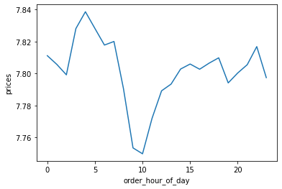
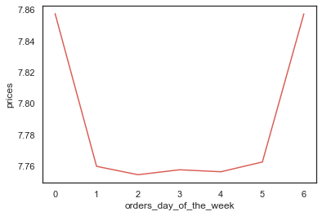

Answer 3 : Products are grouped into low-range, mid-range and high-range. 67.5% of items are mid-range products.
High spender customer mostly buys from mid_range products.
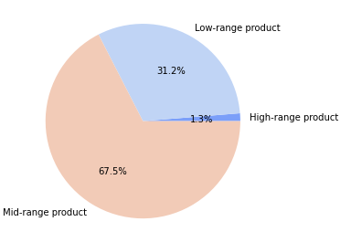
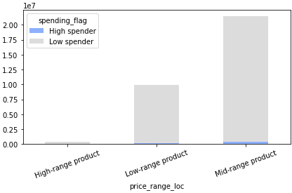

 |  | Distribution of low-range, mid-range and high-range products.

Answer 4 : The top selling departments by number of orders.

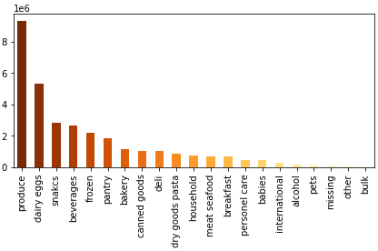

Answer 5a : The majority of registered customers are made up of Regular Customer. Loyal Customer group is the second largest one.

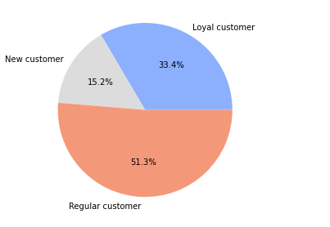

Answer 5b : The frequent customer group is made up of loyal customers and regular customers.

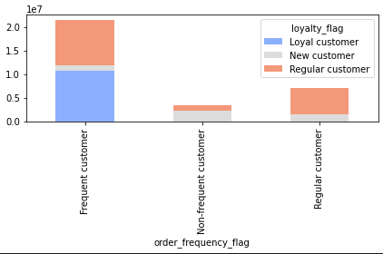

Answer 5c : There are no significant differences in customers' ordering habits on customer's region.

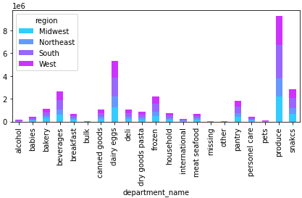
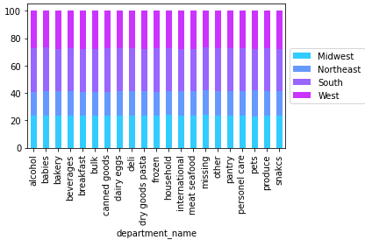

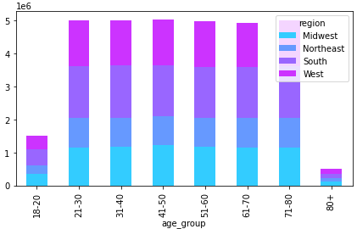

Answer 5d : There is no significant connection between age and family status in term of ordering habits.

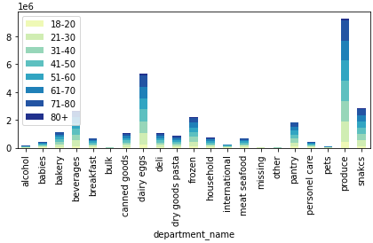
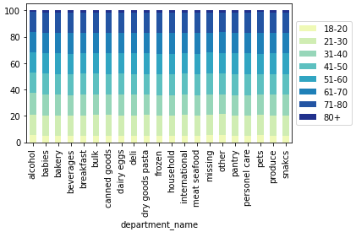

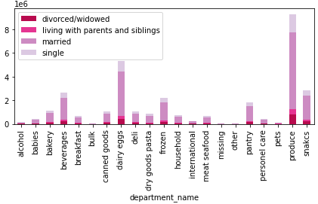
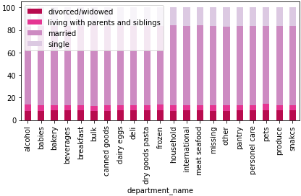

Answer 5e : Demographic details such as income_range, family_status, age_group, parental_status, which can lead to high valued customers.
Our most valued customers demographic characteristics are:
income : $40k-$160k
family_status: Married
age_group : 21-80
parent_status: Parent

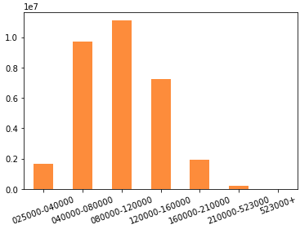
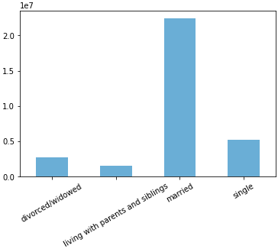

 |  |  | income_range

 |  |  |  | family_status

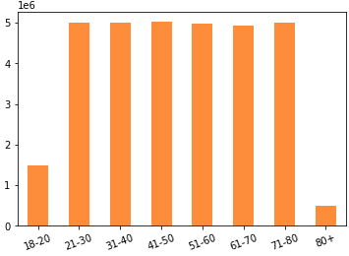
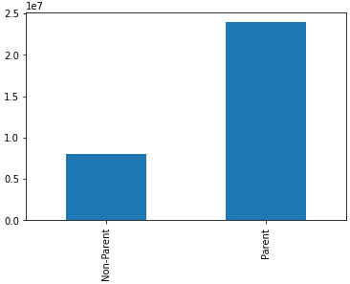

 |  |  | age_group
 |  |  |  | parental_status

Answer 5f : All graphics show us produce department has the highest popularity regardless of customers' demographic characteristics.

7. Recommandations
 |  |  |  |  |  |  | Title page

Recommendations

Questions:
Key Question 1 : |  | What are the busiest days of the week and hours of the day?
Answer : |  | The busiest day of the week is Saturday, and the most orders occur between 9:00 am - 5:00 pm.
Recommends : |  | The least busiest days are 3 = Tuesday and 4 = Wednesday. Planning more promotions on these two days may attract customers and lead more people to shopping.
 |  | For informing the customers about promotions, most busiest days such as Saturday, Sunday, Friday will be useful in terms of reaching the people as much as possible.

 |  |  |  |  | 0 = Saturday, 1 = Sunday, 2 = Monday, 3 = Tuesday, 4 = Wednesday, 5 = Thursday, 6 = Friday

Key Question 2 : |  | Are there particular times of the week when people spend the most money?
Answer : |  | Customers spend the most money between 4:00 am - 6:00 am (local time). Also customers spend most on Friday's (6=Friday) and Saturday's (Saturday=0)
Recommends : |  | Advertise in the mornings, especially on weekends via mobile devices.

Key Question 3 : |  | Marketing and sales want to use simpler price range groupings.
Answer : |  | Products are grouped into low-range, mid-range and high-range. 67.5% of items are mid-range products.
Recommends : |  | Marketing needs to high demanding products' prices fall into mid_range.

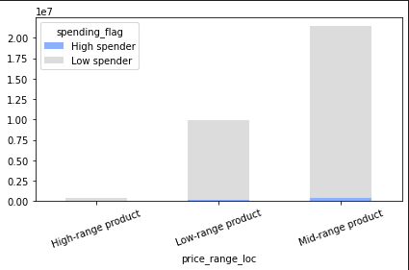
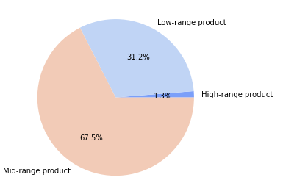

 |  | Distribution of low-range, mid-range and high-range products.
 |  |  |  |  |  | Price_range by spending flag

Key Question 4 : |  | Are there types of products that are more popular than others? Which department has the highest number of product orders?
Answer : |  | Yes, there are. Products of produce, dairy eggs, snacks, and beverages departments are more popular than others.
Recommends : |  | Needs to be focus on these more popular departments.

 |  |  |  | department_name

Key Question 5 : |  | The marketing and sales teams are particularly interested in the different types of customers in their system and howtheir behaviours differ?
 |  | a. What's the distribution among users in regards to their brand loyalty?
 |  | The majority of registered customers are made up of Regular Customer. Loyal Customer group is the second largest one.
 |  | Focus on Regular and Loyal Customers.

Key Question 6 : |  | Are there differences in ordering habits based on a customer’s loyalty status?
Recommend |  | The frequent customer group is made up of loyal customers and regular customers.

 | *** | Most valuable customer profile is:
 |  | Age 21-80 | (all regions are almost same)
 |  | Income: $40k-$160k
 |  | Married
 |  | Parent

 | *** | All graphics show us produce department has the highest popularity regardless of customers' demographic characteristics.
 |  | As a result, produce department needs to be number one focused.

